Start
PSA
outcomes
New dialogue with market/customers/suppliers
Ask new questions - get new answers!
WBCSD acknowledge and thank Solvay and Evonik Industries for their collaborative efforts in producing this guide
Portfolio Sustainability Assessments (PSA) methodology
A simplified approach
Complete the evidence sheet
Run the assessment
WBCSD PSA digitalization tool to start

New dialogue with market/customers/suppliers
Ask New Questions - Get New Answers!

Step3_4
Return to Start
Step 3 : Define PSA pathway | 1. Product-oriented pathway (PAR)
PRODUCT | 2. Application-oriented pathway (APR)
APPLICATION | PRODUCT | APPLICATION

Step 4 : Complete business scope information | General information on PARC(s) Product-Application-Region-Combination(s)

 | Business Unit | A
 | Business Line | Business Line XYZ
 | Strategic Role of Business Line | Mature
 | Product Line | Product Line XYZ
 | Contact Person (Accountable for PARC) | (Business Responsible for Sustainability)
 | Year | 2019
 | External BU/BL gross sales 2019 according to ERP modul / CRM-system (k Euros) | 300,000

 | Date | 2020-04-02
 | PARC ID level 1 Insert your own ID (later we will have a masterlist) | A.1.
 | PARC name (level 1) Insert your own name (later we will have a masterlist) | PVC-Suspensions in Construction
 | Priority of PARC As defined by the "Priority Quick Check" | A
 | LIST OF | LIST OF
 | PRODUCT | APPLICATION | in
A.1. | PARC ID level 2 |  | Quantity (ton) | Sales price (€/ton) | Sales (k €)
1 | PVC-Suspensions in Construction | Window profile | 120,000 | 950 | 114,000
2 | PVC-Suspensions in Construction | Fresh water conveying pipe | 15,000 | 850 | 12,750
3 | PVC-Suspensions in Construction | Sewage pipe | 50,000 | 700 | 35,000
4 | PVC-Suspensions in Construction | application 4 |  |  | 0
5 | PVC-Suspensions in Construction | application 5 |  |  | 0
6 | PVC-Suspensions in Construction | application 6 |  |  | 0
7 | PVC-Suspensions in Construction | application 7 |  |  | 0
8 | PVC-Suspensions in Construction | application 8 |  |  | 0
9 | PVC-Suspensions in Construction | application 9 |  |  | 0
10 | PVC-Suspensions in Construction | application 10 |  |  | 0
 | Total |  | 185,000 | 874,324 | 161,750
 | Entity turnover part covered (%): 53,9
 | Name | xxxx
 | Function | Function
 | Date

Step 5
STEP 5: Run the Assessment + Complete Evidence sheet | Assessment (PSA Mandatory Cat 1 to 5)

User input
1. Sustainability market signals
strong & weak positive
2. Sustainability market signals
strong & weak negative
Output
Portfolio Sustainability Assessments
(PSA)
Reference PSA Guidance
- PSA Perf.Categories - PSA Glossary - PSA Assessment table

 | Product Ecoprofile (PSA Optional)

PSA Combined Plot area

Return to Start

 | PARC and value chain description Manufacturing process, products, applications, (regions), eol | Chloro-Alkaline Electrolysis (EU InHouse), VC-production (EU InHouse), VC-swap (US, CN); PVC-Suspension polymerization (EU, US, CN), pelletizing, supply to compounders & fabricators, recycling consortium (window profiles)
 | Raw materials used in PARC | Vinyl Chloride, Stabilizers, PVC processing aids
 | Contribution to SDG(s), name SDGs of relevance | 9, 12, 13
 | PARC gross sales in 2019 [k EUR, Source: ERP module, CRM]

 | Region | Global
 | Strategic end market | Plastics
 | Strategic sub end market | PVC for Extended Use
 | PARC Type (product/application focused)
 | PARC Type (mono/multi) | Mono
 | Comment

RefMaterial
Return to Start
Referential Sheet to Support Assessment
WBCSD Publication: Chemical Industry Methodology for Portfolio Sustainability Assessments (PSA)
Reference Material

ChemInd PSA Pub
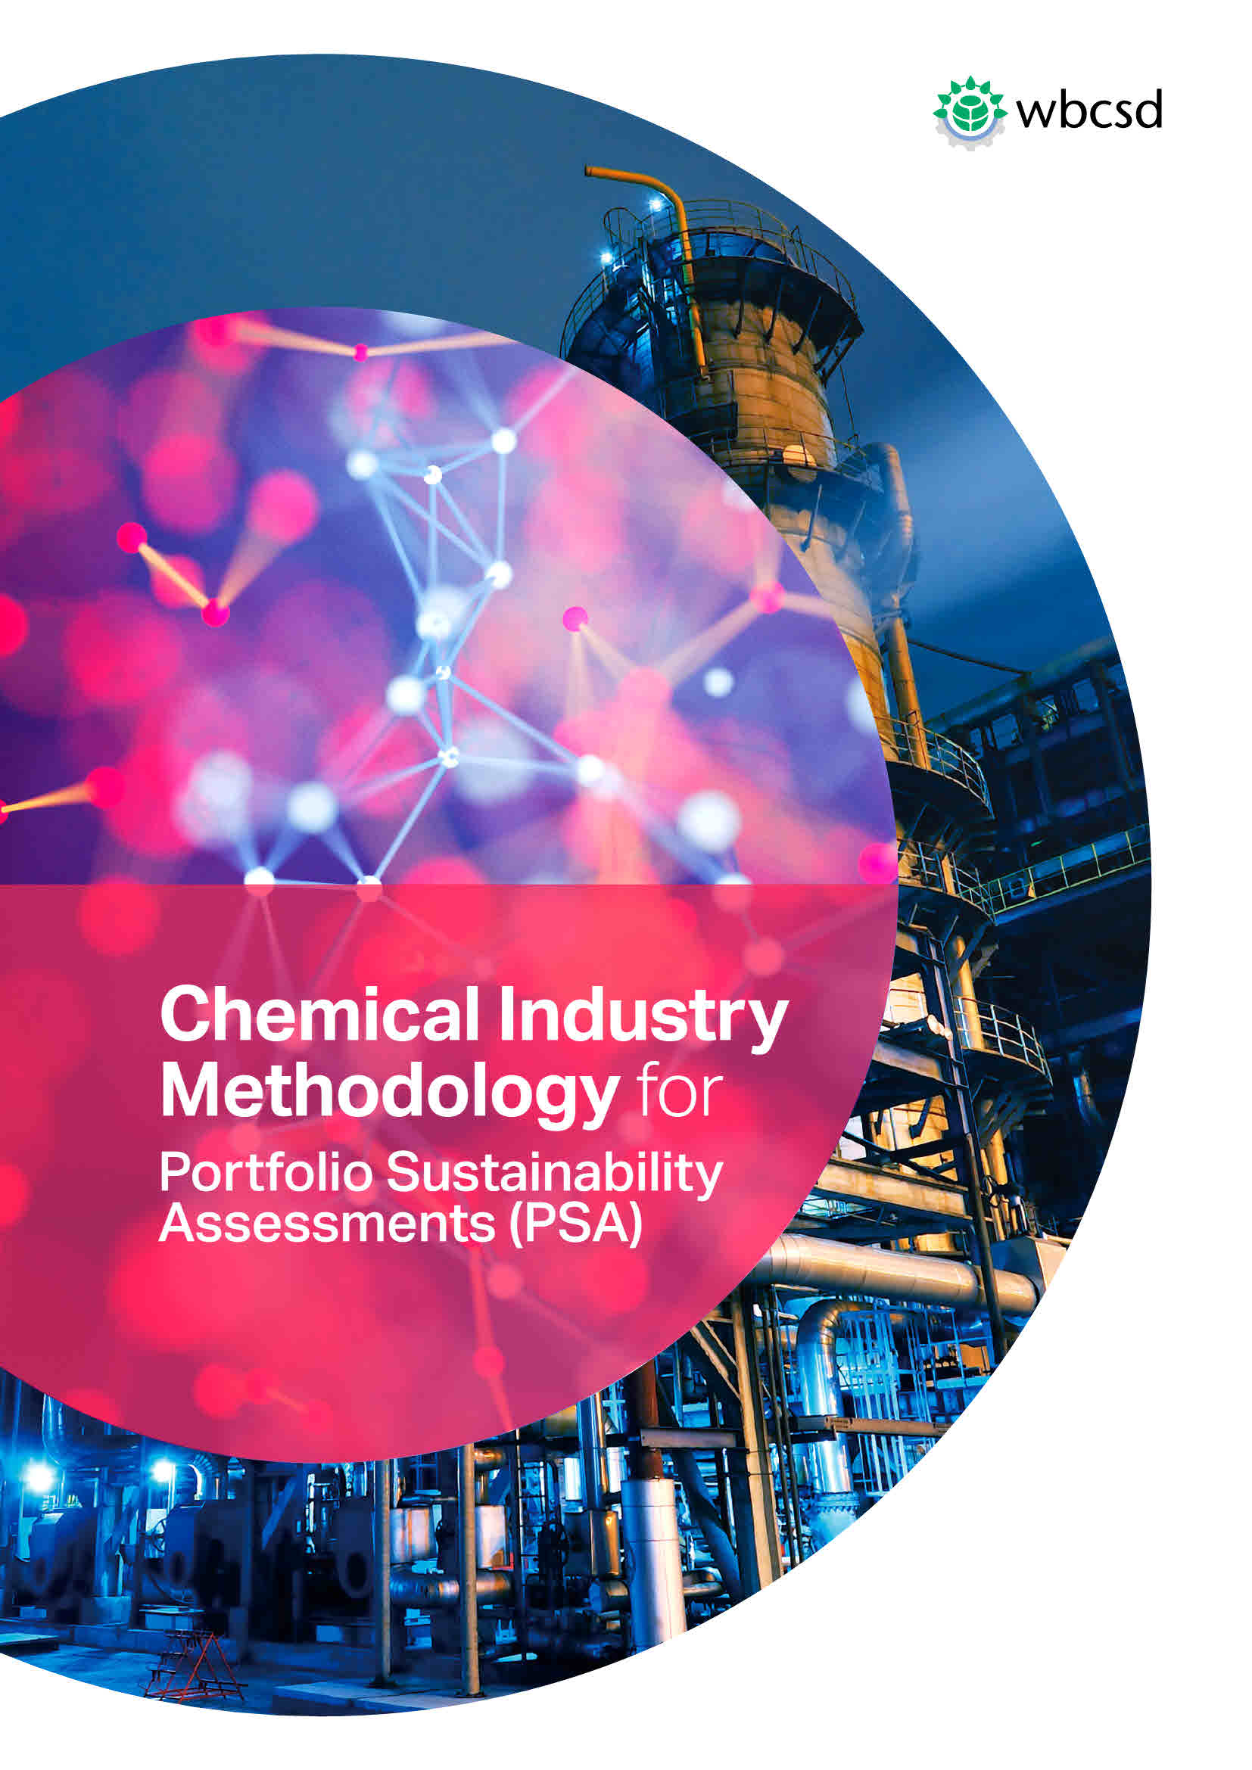
Download Publication

Return to Ref Material

Return to Start

PARC Definition
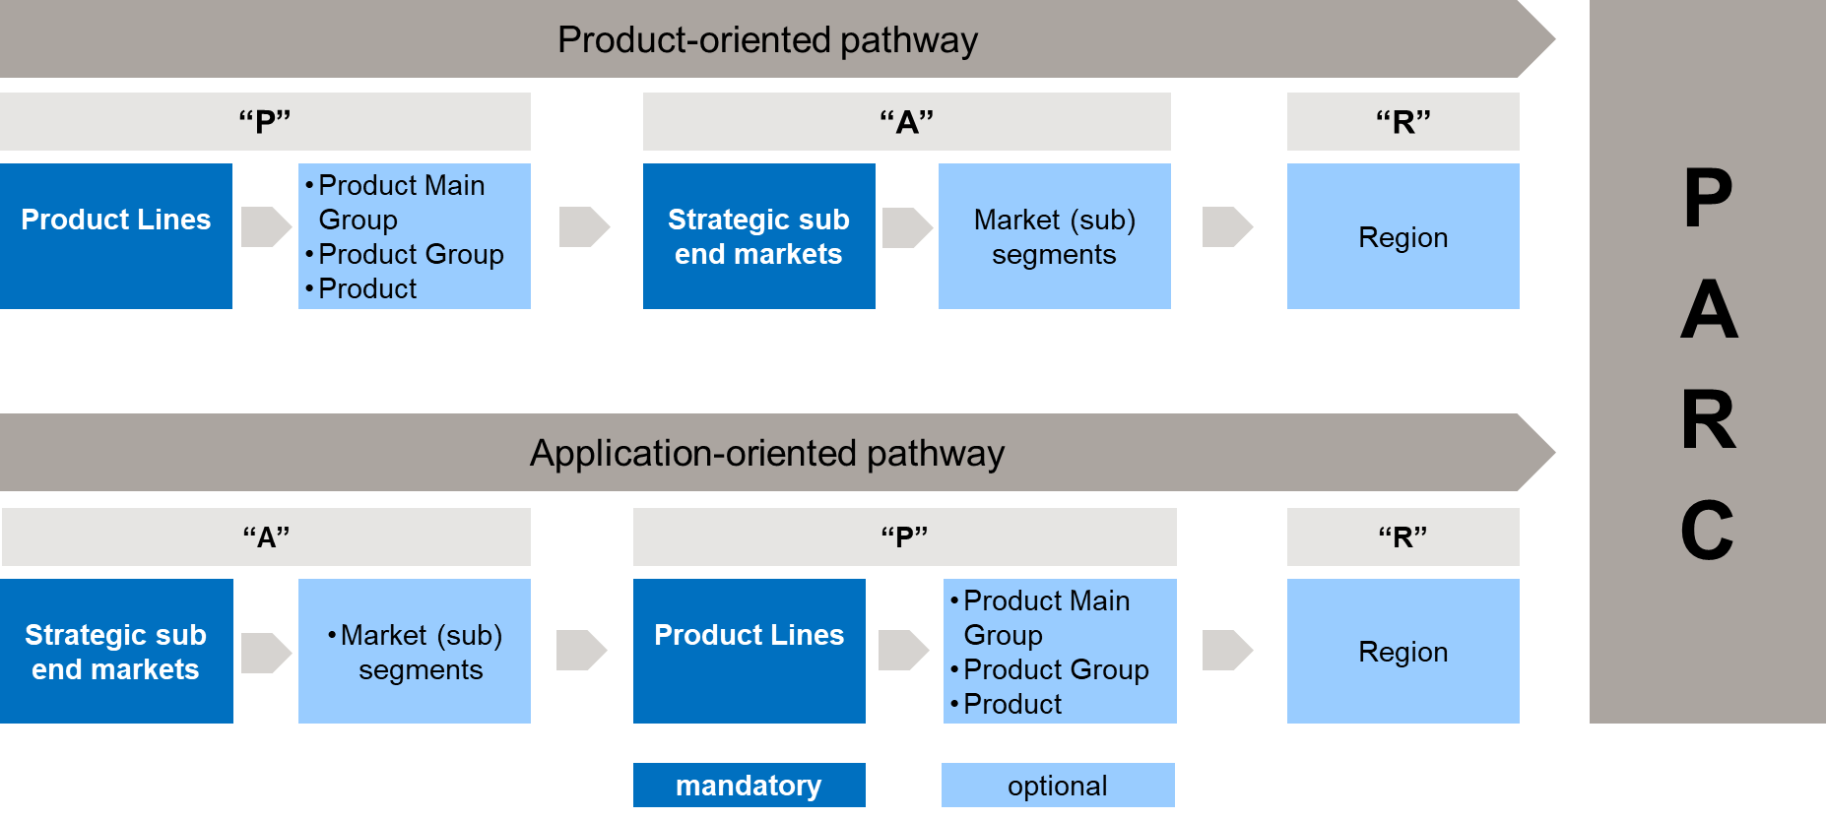
- Use existing ERP-based business segmentation of your company
- Apply high level screening before defining PARCs
-Pareto-driven and/or hot-spot driven
-Applying company‘s SWOT perspective
-Use optionally an easy quick-check questionnaire
- Product oriented PA(R)Cs may cover several applications, (regionalisation often not relevant)
- Application oriented PA(R)Cs may cover several products
- Allow "Multi-PA(R)Cs" to be detailed later on
- Nevertheless "Multi-PAR()Cs" may be assessed based on present knowledge (conservative approach)
Terms used like "product main group", "product group", "product", "strategic sub end markets", "market (sub) segments" are generic substitutes for product and market structures and may differ by company
Yes
Are any material sustainability-related opportunities or risks known for parts of the PARC which are different from the rest of the PARC or are region-specific?
Heterogeneous PARC structure (Multi-PARC):
Divide PARC into two or more sub PARCS detailing
Products: Product Main Groups, Product Groups, Products
Applications: Market Subsegment CRM
Regions: Eligible list of regions
Homogeneous PARC structure (Mono-PARC):
Do not further subdivide PARC
No
Return to Start
PARC Definition

No

PSA Guidance Perf.Categories
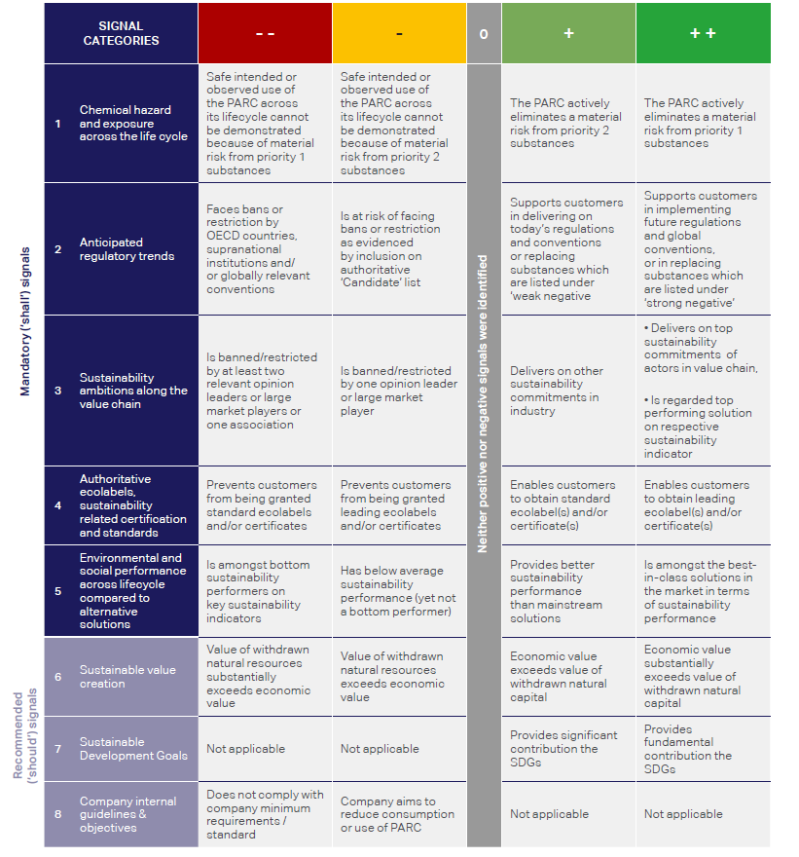
WBCSD Portfolio Sustainable Assessment (PSA) Guidance for Chemical Industry Referential Sheet to Support Assessment

Go to PSA Assessment

Go to PSA Glossary

Return to Start

PSA Glossary
Return to Start
PRODUCT LIST OF APPLICATION

Back
Back
PSA | PSA title | Themes | Question description | Back to assessment | Criteria | C-- | C- | B | A+ | A++
Cat 1 | Chemical hazard and exposure across the life cycle | Human Toxicity Classifications | Companies shall develop a list of Priority 1 and Priority 2 substances which should at least * include substances classified as : * this a minimum list, companies may add additional substances and/or move substances from priority 2 to priority 1 (though not the other way round) Priority 1 substances . * CMR known or presumed . . . . - GHS categories 1A and 1B (Hazard Statement H340, H350, H360 or H362) . . . . - IARC groups 1 and 2A . . . . - NTP US known human carcinogens and reasonably suspect human carcinogens . * Endocrine disruptors (known or presumed)** **Companies should use the EU definition as it is the most adavnced. If another definition of Endocrine Disruptors is used, companies shall report on the definition used. Priority 2 substances . * CMR suspected . . . . - GHS category 2 CMRs (Hazard Statement H341, H351 or H361) . . . . - GHS categories 1A and 1B Skin sensitizer and category 1 respiratory sensitizer (Hazard Statement H317 or H334) . . . . - GHS categories 1 Specific organ toxic repeated exposure (Hazard Statement H 372) . . . . - IARC group 2B Carcinogens . . . . .-GHS categories 1/2 Acute human toxicity - dermal , oral , inhalation (Hazard Statement H300, H310, H330 or H372) Consider the full value chain, from cradle-to-grave or from cradle-to-cradle when appropriate. Hazard statement list : http://www.msds-europe.com/id-486-h_p_statements_ghs_clp.html GHS documentation : https://www.unece.org/fileadmin/DAM/trans/danger/publi/ghs/ghs_rev04/English/ST-SG-AC10-30-Rev4e.pdf NTP list : https://ntp.niehs.nih.gov/ntp/roc/content/listed_substances_508.pdf IARC : https://monographs.iarc.fr/list-of-classifications-volumes/ |  | Companies shall apply the following criteria to determine whether exposure to substances leads to a material risk: • The hazardous substance (as per categories on the previous page) represents: o For Priority 1 substances: > 0.1%, weight-for-weight of the final product o For Priority 2 substances: > 1.0%, weight-for-weight of the final product • And, the product is intended for professional or consumer use or for industrial use where the substance is not fully contained • And, a full risk assessment following a recognized methodology2 was either not executed, or the assessment indicated an unacceptable risk to be present (e.g. Risk Characterization Ratio (RCR) > 1) | Safe intended or observed use of the PARC across its lifecycle cannot be demonstrated because of material risk from priority 1 substances | Safe intended or observed use of the PARC across its lifecycle cannot be demonstrated because of material risk from priority 2 substances | The PARC has neither positive nor weak signals | The PARC actively eliminates a material risk from priority 2 substances | The PARC actively eliminates a material risk from priority 1 substances
Cat 1 | Chemical hazard and exposure across the life cycle | Eco Toxicity Classifications | Companies shall develop a list of Priority 1 and Priority 2 substances which should at least * include substances classified as : * this a minimum list, companies may add additional substances and/or move substances from priority 2 to priority 1 (though not the other way round) Priority 1 substances . * vPvB (Very Persistent and Very Bio-accumulative) . * PBT (Persistent, Bio-accumulative and Toxic) . * POP (Persistent Organic Pollutant) in the environment as defined by EU Reach, US TSCA or equivalent Priority 2 substances . * Acute aquatic toxicity and chronic aquatic toxic category 1 (Hazard Statement H400, H410) . * Ozone depleting substances category 1 (Hazard Statement H420) Consider the full value chain, from cradle-to-grave or from cradle-to-cradle when appropriate. PBT list : https://www.epa.gov/toxics-release-inventory-tri-program/persistent-bioaccumulative-toxic-pbt-chemicals-covered-tri POP list : http://chm.pops.int/TheConvention/ThePOPs/ListingofPOPs/tabid/2509/Default.aspx Hazard statement list : http://www.msds-europe.com/id-486-h_p_statements_ghs_clp.html" |  | Companies shall apply the following criteria to determine whether exposure to substances leads to a material risk: • The hazardous substance (as per categories on the previous page) represents: o For Priority 1 substances: > 0.1%, weight-for-weight of the final product o For Priority 2 substances: > 1.0%, weight-for-weight of the final product • And, the product is intended for professional or consumer use or for industrial use where the substance is not fully contained • And, a full risk assessment following a recognized methodology2 was either not executed, or the assessment indicated an unacceptable risk to be present (e.g. Risk Characterization Ratio (RCR) > 1) | Safe intended or observed use of the PARC across its lifecycle cannot be demonstrated because of material risk from priority 1 substances | Safe intended or observed use of the PARC across its lifecycle cannot be demonstrated because of material risk from priority 2 substances | The PARC has neither positive nor weak signals | The PARC actively eliminates a material risk from priority 2 substances | The PARC actively eliminates a material risk from priority 1 substances
Back
Cat 2 | Regulatory trends and global conventions | Sustances list | Companies shall evaluate announcements by regulatory bodies and lists considered to be early warning indicators for upcoming legislation (yet in force or not) and shall develop a list of Priority 1 and Priority 2 substances which should at least* include substances classified as : * this a minimum list, companies may add additional substances and/or move substances from priority 2 to priority 1 (though not the other way round) Priority 1 substances: . * Banned and restricted substances, as communicated with a clear sunset date by individual OECD members or partners, by supranational organizations (e.g. EU) or by supranational bodies (e.g. UNEP, WHO), including: . . . . - US EPA Section 6 Banned Chemicals . . . . - REACH authorization list (Annex XIV) . . . . - Ban of a substance identified under REACH restrictions (Annex XVII) . . . . - Laws,regulations,bans/restrictions from individual OECD countries . * Globally relevant conventions, including: . . . . - Substances causing damage to the ozone layer as listed in the Montreal protocol . . . . - Persistent organic pollutants (POPs), as identified under the Stockholm Convention . . . . - Substances subject to prior informed consent (PIC) under the Rotterdam Convention Priority 2 substances: . * Substances of very high concern, as identified under REACH regulation (candidate list), or similar lists in other countries . * California Proposition 65 . * OSPAR list Consider the full value chain, from cradle-to-grave or from cradle-to-cradle when appropriate. Companies may also consider(optional) : . * Other relevant "opinion leading" countries ( e.g. BRIC) and states (E.G. California) .* Other countries.states representing significant share of PARC demand or use. .* Other lists considered to be early warning indicators | Back |  | The PARC contains substance(s) included in the priority 1 substance list and the listing is relevant for the application (i.e. a ban on use in food applications is only relevant for food applications) | The PARC contains substance(s) included in the priority 2 substance list and the listing is relevant for the application (i.e. a ban on use in food applications is only relevant for food applications) | The PARC has neither positive nor weak signals | The PARC supports customers in: -Delivering on today’s regulations (e.g. fiscal incentives) and global conventions or -Actively replacing substances which are listed under ‘weak negative’ | The PARC supports customers in: -Implementing future regulations & global conventions which have already been passed (yet not put in force) today, or -Actively replacing substances which are listed under ‘strong negative’
Back
Cat 3 | Sustainability ambitions along the value chain | e.g. SIN list | Companies shall evaluate how a PARC performs on sustainability-related requirements and objectives of relevant actors in the value chain. To evaluate how a PARC performs on sustainability-related requirements and objectives, companies shall: 1. Analyze sustainability requirements and objectives of key actors in the respective application and region. At the minimum, companies shall assess the requirements and objectives of: o Opinion leaders which may include organizations whose opinion is expected to lead to changed behavior or actions by market players (e.g. early warning indicator lists which are relevant in the respective value chain, such as SIN list), and/or o Large players in application or value chain, which may include relevant direct and intermediate, potential customers, relevant brand owners and retailers, end-customers or consumers, associations or alliances, suppliers and supplier associations 2. Define: o Top sustainability commitments of key actors in the value chain and/or their representative associations (as evidenced by a materiality assessment, or a strong partnership by relevant players to deliver on the commitment) o Other secondary sustainability commitments of actors in the value chain and/or their representative associations as evidenced by a commitment made in public communication which includes an action plan with explicit date 3. Assess the implications of the above sustainability commitments for specific products and applications, e.g.: o What products are banned/restricted because of sustainability reasons? o What products are promoted because of their contribution to sustainability requirements and objectives? Consider the full value chain, from cradle-to-grave or from cradle-to-cradle when appropriate. Link to the SIN Database : www.sinlist.chemsec.org |  |  | The PARC is banned/restricted because of sustainability reasons by at least two relevant opinion leaders or large market players or one association Optional: companies may consider non-public communication from credible sources (e.g. direct customer communication) on bans / or restrictions of relevant actors in the value chain because of sustainability reasons | The PARC is banned/restricted because of sustainability reasons by one opinion leader or large market player Optional: companies may consider non-public communication from credible sources (e.g. direct customer communication) on bans / or restrictions of relevant actors in the value chain because of sustainability reasons | The PARC has neither positive nor weak signals | The PARC delivers on other sustainability commitments of actors in the value chain and/or their representative associations (as evidenced by a commitment made in public communication which includes an action plan with explicit date at which the ban / restriction becomes effective The PARC delivers on top sustainability commitments of top players and/or industry without having top performance | The PARC delivers on top sustainability commitments of actors in the value chain and/or their representative associations, e.g. by: – Substituting a “Strong Negative” solution, or – Delivering on a top sustainability commitment in the industry (as evidenced by a materiality assessment, or a strong partnership with relevant players to deliver on the commitment) AND: The PARC must be regarded as amongst the best-in-class solutions in the market in terms of sustainability performance on the respective sustainability indicator
Back
Cat 4 | Authoritative ecolabels, sustainability related certification and standards | Ecolabels | Companies shall evaluate requirements and objectives of relevant ecolabels and sustainability-related certification in the application • At the minimum, companies shall consider ecolabels and certificates which are leading and accepted indicators on sustainability performance in the value chain, as defined by the materiality analysis • Companies should define what a relevant ecolabel is. If there is no relevant ecolabel/certificate, there is no signal •Companies may also consider: o Ecolabels which are nice-to-have and which signal superior sustainability performance o Other relevant ecolabels to be identified per application and region (examples can be found on ecolabelindex.com, for example) Consider the full value chain, from cradle-to-grave or from cradle-to-cradle when appropriate. Examples of relevant sources •Requirements for ecolabel classification •Requirements for certification | Back |  | Not applicable | The PARC prevents customers from being granted ecolabels and/or certificates which are leading indicators on sustainability performance in the value chain ( e.g. and for which the market penetration is >50%) | The PARC has neither positive nor weak signals | The PARC enables customers to obtain ecolabel(s) and/or certificate(s) which are leading indicators on sustainability performance in the value chain (e.g. for which market penetration is <50%) | The PARC enables customers to obtain ecolabel(s) and/or certificate(s) which are leading indicators on sustainability performance in the value chain ( e.g. for which the market penetration is <20% (i.e. strong differentiating performance)
Back
Cat 5 | Environmental and social performance across lifecycle compared to alternative solutions | Relevant sustainability performance criteria See hereunder some examples to be adjusted by sectors or companies | Companies shall evaluate how the PARC performs on sustainability signals when compared to alternative solutions •At the minimum, companies shall consider any relevant o WBCSD guidance for the chemical industry on environmental LCA minimum requirements (Product Life Cycle Metrics for Chemical Products (WBCSD, 2014)) o WBCSD social metrics minimum requirements (Social Capital Protocol, WBCSD 2017 and Social Metrics for Chemical Products, WBCSD 2016) o It’s not a minimum requirement to execute LCAs •Companies may also consider: Other sustainability-related signals •Excluded are: profitability, price, volume, growth •Included are: helping to increase access to or penetration of solutions which improve environmental or social performance (e.g. availability of high quality food) |  | Typical process to follow 1.Start with full list of relevant criteria 2.Select relevant sustainability performance criteria for the application (e.g. energy, water, etc.) 3.Consider relevant competing solutions, which shall include the most mainstream alternative solution, in the market 4.Estimate overall performance versus competing solutions on the relevant sustainability criteria in the relevant life cycle step(s) of the product 5.Optional materiality test: Is the benefit direct and significant so that customer will opt for your solution instead of a competing solution?
Back
Cat 5 | Environmental and social performance across lifecycle compared to alternative solutions | Water& Air Quality | Air quality is typically influenced by concentration of CO, NOx, SOx and Particulate Matter. Fresh water is naturally occurring water on Earth's surface in ice, lakes, rivers and underground. Fresh water is generally characterized by having low concentrations of dissolved salts and other total dissolved solids. The term specifically excludes seawater. The main uses of fresh water are potable, industrial and irrigation water. Consider the full value chain, from cradle-to-grave or from cradle-to-cradle when appropriate. |  |  | The PARC has direct, significant and measurable disadvantages in terms of environmental and social performance over the life cycle and the PARC is amongst bottom sustainability performers on key sustainability indicators | The PARC has direct, significant and measurable disadvantages in terms of environmental and social performance (over the life cycle when compared to relevant solutions, performance is below average, yet not a bottom performer) | The PARC has neither positive nor weak signals | The PARC provides a direct, significant and measurable improvement over mainstream solutions (or over next–best alternative if you are the leading solution over the life cycle, and The contribution of the chemical product to the PARC is fundamental, extensive, or substantial | The PARC provides a direct, significant and measurable improvement over relevant competing solutions in the market, and – AND: The contribution of the chemical product to the PARC is fundamental or extensive – AND: The PARC is amongst the best-in-class solutions in the market in terms of sustainability performance
Back
Cat 5 | Environmental and social performance across lifecycle compared to alternative solutions | Food and Feed availability | . * the food production for human basic needs and its nutritional content (cereals, fruits, vegetables, meat, fish, ....) . * the food supply chain efficiency (from production until consumption), including food processing, transformation and distribution. Feed is to be considered as well in the case animals are grown for human consumption. Consider the full value chain, from cradle-to-grave or from cradle-to-cradle when appropriate. |  |  | The PARC has direct, significant and measurable disadvantages in terms of environmental and social performance over the life cycle and the PARC is amongst bottom sustainability performers on key sustainability indicators | The PARC has direct, significant and measurable disadvantages in terms of environmental and social performance (over the life cycle when compared to relevant solutions, performance is below average, yet not a bottom performer) | The PARC has neither positive nor weak signals | The PARC provides a direct, significant and measurable improvement over mainstream solutions (or over next–best alternative if you are the leading solution over the life cycle, and The contribution of the chemical product to the PARC is fundamental, extensive, or substantial | The PARC provides a direct, significant and measurable improvement over relevant competing solutions in the market, and – AND: The contribution of the chemical product to the PARC is fundamental or extensive – AND: The PARC is amongst the best-in-class solutions in the market in terms of sustainability performance
Back
Cat 5 | Environmental and social performance across lifecycle compared to alternative solutions | Healthy habits | Consumption or use of products which affect health, as stated by authoritative health institutes such as WHO, NHS (UK), NIH (USA), Health Canada, among others. Consider the full value chain, from cradle-to-grave or from cradle-to-cradle when appropriate. |  |  | The PARC has direct, significant and measurable disadvantages in terms of environmental and social performance over the life cycle and the PARC is amongst bottom sustainability performers on key sustainability indicators | The PARC has direct, significant and measurable disadvantages in terms of environmental and social performance (over the life cycle when compared to relevant solutions, performance is below average, yet not a bottom performer) | The PARC has neither positive nor weak signals | The PARC provides a direct, significant and measurable improvement over mainstream solutions (or over next–best alternative if you are the leading solution over the life cycle, and The contribution of the chemical product to the PARC is fundamental, extensive, or substantial | The PARC provides a direct, significant and measurable improvement over relevant competing solutions in the market, and – AND: The contribution of the chemical product to the PARC is fundamental or extensive – AND: The PARC is amongst the best-in-class solutions in the market in terms of sustainability performance
Back
Cat 5 | Environmental and social performance across lifecycle compared to alternative solutions | Safety & prevention | Prevention of occurrence of physical injuries or exposure to infectious diseases (vaccine, ...). Consider the full value chain, from cradle-to-grave or from cradle-to-cradle when appropriate. |  |  | The PARC has direct, significant and measurable disadvantages in terms of environmental and social performance over the life cycle and the PARC is amongst bottom sustainability performers on key sustainability indicators | The PARC has direct, significant and measurable disadvantages in terms of environmental and social performance (over the life cycle when compared to relevant solutions, performance is below average, yet not a bottom performer) | The PARC has neither positive nor weak signals | The PARC provides a direct, significant and measurable improvement over mainstream solutions (or over next–best alternative if you are the leading solution over the life cycle, and The contribution of the chemical product to the PARC is fundamental, extensive, or substantial | The PARC provides a direct, significant and measurable improvement over relevant competing solutions in the market, and – AND: The contribution of the chemical product to the PARC is fundamental or extensive – AND: The PARC is amongst the best-in-class solutions in the market in terms of sustainability performance
Back
Cat 5 | Environmental and social performance across lifecycle compared to alternative solutions | Climate | Emissions in the atmosphere of substances with a Greenhouse Gas (GHG) potential during the whole lifecycle of the product and its applications (raw material extraction and processing, manufacturing, use and end of life, including reprocessing). Consider the full value chain, from cradle-to-grave, or from cradle-to-cradle when appropriate, and the climate change impact of associated products or technologies in the application. Global Warming Potential Values : http://www.ghgprotocol.org/sites/default/files/ghgp/Global-Warming-Potential-Values%20%28Feb%2016%202016%29_1.pdf |  |  | The PARC has direct, significant and measurable disadvantages in terms of environmental and social performance over the life cycle and the PARC is amongst bottom sustainability performers on key sustainability indicators | The PARC has direct, significant and measurable disadvantages in terms of environmental and social performance (over the life cycle when compared to relevant solutions, performance is below average, yet not a bottom performer) | The PARC has neither positive nor weak signals | The PARC provides a direct, significant and measurable improvement over mainstream solutions (or over next–best alternative if you are the leading solution over the life cycle, and The contribution of the chemical product to the PARC is fundamental, extensive, or substantial | The PARC provides a direct, significant and measurable improvement over relevant competing solutions in the market, and – AND: The contribution of the chemical product to the PARC is fundamental or extensive – AND: The PARC is amongst the best-in-class solutions in the market in terms of sustainability performance
Back
Cat 5 | Environmental and social performance across lifecycle compared to alternative solutions | Waste Generation & Valorization | .- The generation of waste. Waste are unwanted or unusable equipment's, products and materials that are discarded after use. They include municipal solid waste (household trash/refuse), industrial waste, hazardous waste, waste water, among others. .- The valorization of waste, transforming them into valuable materials and energy. Re-usability, reparability and remanufacturing are covered in the Resource Efficiency question and Biodegradability is covered in the Biodegradability performance criteria. Consider the full value chain, from cradle-to-grave, or from cradle-to-cradle when appropriate, and the value retained in material flows. |  |  | The PARC has direct, significant and measurable disadvantages in terms of environmental and social performance over the life cycle and the PARC is amongst bottom sustainability performers on key sustainability indicators | The PARC has direct, significant and measurable disadvantages in terms of environmental and social performance (over the life cycle when compared to relevant solutions, performance is below average, yet not a bottom performer) | The PARC has neither positive nor weak signals | The PARC provides a direct, significant and measurable improvement over mainstream solutions (or over next–best alternative if you are the leading solution over the life cycle, and The contribution of the chemical product to the PARC is fundamental, extensive, or substantial | The PARC provides a direct, significant and measurable improvement over relevant competing solutions in the market, and – AND: The contribution of the chemical product to the PARC is fundamental or extensive – AND: The PARC is amongst the best-in-class solutions in the market in terms of sustainability performance
Back
Cat 5 | Environmental and social performance across lifecycle compared to alternative solutions | Scarce Materials | The consumption of scarce raw materials, as defined by . * the Critical Elements List from the SPM team, . * the CRM27 (the 27 Critical Raw Materials) from EU. http://teamsites.solvay.com/sites/SustainableDevelopment/SPMreferences/List_Scarce_Materials.png http://ec.europa.eu/growth/sectors/raw-materials/specific-interest/critical_en Consider the full value chain, from cradle-to-grave, or from cradle-to-cradle when appropriate, and the value retained in material flows. |  |  | The PARC has direct, significant and measurable disadvantages in terms of environmental and social performance over the life cycle and the PARC is amongst bottom sustainability performers on key sustainability indicators | The PARC has direct, significant and measurable disadvantages in terms of environmental and social performance (over the life cycle when compared to relevant solutions, performance is below average, yet not a bottom performer) | The PARC has neither positive nor weak signals | The PARC provides a direct, significant and measurable improvement over mainstream solutions (or over next–best alternative if you are the leading solution over the life cycle, and The contribution of the chemical product to the PARC is fundamental, extensive, or substantial | The PARC provides a direct, significant and measurable improvement over relevant competing solutions in the market, and – AND: The contribution of the chemical product to the PARC is fundamental or extensive – AND: The PARC is amongst the best-in-class solutions in the market in terms of sustainability performance
Back
Cat 5 | Environmental and social performance across lifecycle compared to alternative solutions | Resource Efficiency | Consumption of non renewable resources (energy excluded) in the upstream or downstream value chain, by extending the lifetime of products or goods or by favoring re-usability or remanufacturing, among others. Using less or using longer. Consider the full value chain, from cradle-to-grave or from cradle-to-cradle when appropriate. |  |  | The PARC has direct, significant and measurable disadvantages in terms of environmental and social performance over the life cycle and the PARC is amongst bottom sustainability performers on key sustainability indicators | The PARC has direct, significant and measurable disadvantages in terms of environmental and social performance (over the life cycle when compared to relevant solutions, performance is below average, yet not a bottom performer) | The PARC has neither positive nor weak signals | The PARC provides a direct, significant and measurable improvement over mainstream solutions (or over next–best alternative if you are the leading solution over the life cycle, and The contribution of the chemical product to the PARC is fundamental, extensive, or substantial | The PARC provides a direct, significant and measurable improvement over relevant competing solutions in the market, and – AND: The contribution of the chemical product to the PARC is fundamental or extensive – AND: The PARC is amongst the best-in-class solutions in the market in terms of sustainability performance
Back
Cat 5 | Environmental and social performance across lifecycle compared to alternative solutions | Renewable-based Materials | Production and the consumption of renewable-based materials and the enablers allowing to increase their use or to make them more competitive. Consider the full value chain, from cradle-to-grave or from cradle-to-cradle when appropriate. |  |  | The PARC has direct, significant and measurable disadvantages in terms of environmental and social performance over the life cycle and the PARC is amongst bottom sustainability performers on key sustainability indicators | The PARC has direct, significant and measurable disadvantages in terms of environmental and social performance (over the life cycle when compared to relevant solutions, performance is below average, yet not a bottom performer) | The PARC has neither positive nor weak signals | The PARC provides a direct, significant and measurable improvement over mainstream solutions (or over next–best alternative if you are the leading solution over the life cycle, and The contribution of the chemical product to the PARC is fundamental, extensive, or substantial | The PARC provides a direct, significant and measurable improvement over relevant competing solutions in the market, and – AND: The contribution of the chemical product to the PARC is fundamental or extensive – AND: The PARC is amongst the best-in-class solutions in the market in terms of sustainability performance
Back
Cat 5 | Environmental and social performance across lifecycle compared to alternative solutions | Renewable Energy | Production of renewable energy and the enablers to increase its adoption, affordability and competitiveness. Consider the full value chain, from cradle-to-grave, or from cradle-to-cradle when appropriate, and the primary energy impact of associated products or technologies in the application. |  |  | The PARC has direct, significant and measurable disadvantages in terms of environmental and social performance over the life cycle and the PARC is amongst bottom sustainability performers on key sustainability indicators | The PARC has direct, significant and measurable disadvantages in terms of environmental and social performance (over the life cycle when compared to relevant solutions, performance is below average, yet not a bottom performer) | The PARC has neither positive nor weak signals | The PARC provides a direct, significant and measurable improvement over mainstream solutions (or over next–best alternative if you are the leading solution over the life cycle, and The contribution of the chemical product to the PARC is fundamental, extensive, or substantial | The PARC provides a direct, significant and measurable improvement over relevant competing solutions in the market, and – AND: The contribution of the chemical product to the PARC is fundamental or extensive – AND: The PARC is amongst the best-in-class solutions in the market in terms of sustainability performance
Back
Cat 5 | Environmental and social performance across lifecycle compared to alternative solutions | Recyclability | The production and the consumption of recycled materials and the enablers allowing to increase their use or to make them more competitive. Consider the full value chain, from cradle-to-grave, or from cradle-to-cradle when appropriate, and the value retained in material flows. |  |  | The PARC has direct, significant and measurable disadvantages in terms of environmental and social performance over the life cycle and the PARC is amongst bottom sustainability performers on key sustainability indicators | The PARC has direct, significant and measurable disadvantages in terms of environmental and social performance (over the life cycle when compared to relevant solutions, performance is below average, yet not a bottom performer) | The PARC has neither positive nor weak signals | The PARC provides a direct, significant and measurable improvement over mainstream solutions (or over next–best alternative if you are the leading solution over the life cycle, and The contribution of the chemical product to the PARC is fundamental, extensive, or substantial | The PARC provides a direct, significant and measurable improvement over relevant competing solutions in the market, and – AND: The contribution of the chemical product to the PARC is fundamental or extensive – AND: The PARC is amongst the best-in-class solutions in the market in terms of sustainability performance
Back
Cat 5 | Environmental and social performance across lifecycle compared to alternative solutions | Fresh Water Availability | Production, supply chain and consumption of fresh water. Fresh water is naturally occurring water on Earth's surface in ice, lakes, rivers and underground. Fresh water is generally characterized by having low concentrations of dissolved salts and other total dissolved solids. The term specifically excludes seawater. The main uses of fresh water are potable, industrial and irrigation water. Consider the full value chain, from cradle-to-grave, or from cradle-to-cradle when appropriate, and the water withdrawal impact of associated products or technologies in the application. |  |  | The PARC has direct, significant and measurable disadvantages in terms of environmental and social performance over the life cycle and the PARC is amongst bottom sustainability performers on key sustainability indicators | The PARC has direct, significant and measurable disadvantages in terms of environmental and social performance (over the life cycle when compared to relevant solutions, performance is below average, yet not a bottom performer) | The PARC has neither positive nor weak signals | The PARC provides a direct, significant and measurable improvement over mainstream solutions (or over next–best alternative if you are the leading solution over the life cycle, and The contribution of the chemical product to the PARC is fundamental, extensive, or substantial | The PARC provides a direct, significant and measurable improvement over relevant competing solutions in the market, and – AND: The contribution of the chemical product to the PARC is fundamental or extensive – AND: The PARC is amongst the best-in-class solutions in the market in terms of sustainability performance
Back
Cat 5 | Environmental and social performance across lifecycle compared to alternative solutions | Energy Efficiency | Energy consumption (non renewable or renewable) in the downstream value chain. Consider the full value chain, from cradle-to-grave, or from cradle-to-cradle when appropriate, and the primary energy impact of associated products or technologies in the application. |  |  | The PARC has direct, significant and measurable disadvantages in terms of environmental and social performance over the life cycle and the PARC is amongst bottom sustainability performers on key sustainability indicators | The PARC has direct, significant and measurable disadvantages in terms of environmental and social performance (over the life cycle when compared to relevant solutions, performance is below average, yet not a bottom performer) | The PARC has neither positive nor weak signals | The PARC provides a direct, significant and measurable improvement over mainstream solutions (or over next–best alternative if you are the leading solution over the life cycle, and The contribution of the chemical product to the PARC is fundamental, extensive, or substantial | The PARC provides a direct, significant and measurable improvement over relevant competing solutions in the market, and – AND: The contribution of the chemical product to the PARC is fundamental or extensive – AND: The PARC is amongst the best-in-class solutions in the market in terms of sustainability performance
Back
Cat 5 | Environmental and social performance across lifecycle compared to alternative solutions | Biodegradability | Potential of biodegradation, that is the disintegration of materials by bacteria, fungi, or other biological means back into natural elements. Valorization of these elements is covered in the waste valorization performance criteria Consider the full value chain, from cradle-to-grave or from cradle-to-cradle when appropriate. |  |  | The PARC has direct, significant and measurable disadvantages in terms of environmental and social performance over the life cycle and the PARC is amongst bottom sustainability performers on key sustainability indicators | The PARC has direct, significant and measurable disadvantages in terms of environmental and social performance (over the life cycle when compared to relevant solutions, performance is below average, yet not a bottom performer) | The PARC has neither positive nor weak signals | The PARC provides a direct, significant and measurable improvement over mainstream solutions (or over next–best alternative if you are the leading solution over the life cycle, and The contribution of the chemical product to the PARC is fundamental, extensive, or substantial | The PARC provides a direct, significant and measurable improvement over relevant competing solutions in the market, and – AND: The contribution of the chemical product to the PARC is fundamental or extensive – AND: The PARC is amongst the best-in-class solutions in the market in terms of sustainability performance

PSA Assessment
Return to Start
 |  |  |  |  | PVC-Suspensions in Construction in Window profile | PVC-Suspensions in Construction in Fresh water conveying pipe | PVC-Suspensions in Construction in Sewage pipe | PVC-Suspensions in Construction in application 4 | PVC-Suspensions in Construction in application 5 | PVC-Suspensions in Construction in application 6 | PVC-Suspensions in Construction in application 7 | PVC-Suspensions in Construction in application 8 | PVC-Suspensions in Construction in application 9 | PVC-Suspensions in Construction in application 10
PSA | PSA title | Sub-theme | Relevance | Go to sustainability performance criteria | Performance | Performance | Performance | Performance | Performance | Performance | Performance | Performance | Performance | Performance
Cat 1 | Chemical hazard and exposure across the life cycle | Human Toxicity Classifications | HIGH | PSA Glossary | A+ | B | C-
Cat 1 | Chemical hazard and exposure across the life cycle | Eco Toxicity Classifications | HIGH | PSA Glossary
Cat 2 | Regulatory trends and global conventions | Sustances list | HIGH | PSA Glossary |  |  | A++
Cat 3 | Sustainability ambitions along the value chain | SIN list | HIGH | PSA Glossary
Cat 4 | Authoritative ecolabels, sustainability related certification and standards | Ecolabels | HIGH | PSA Glossary
Cat 5 | Environmental and social performance across lifecycle compared to alternative solutions | Examples based on materiality analysis | Formulate the questions according to Materiality | PSA Glossary
Cat 5 | Environmental and social performance across lifecycle compared to alternative solutions | Water& Air Quality | High | PSA Glossary
Cat 5 | Environmental and social performance across lifecycle compared to alternative solutions | Food and Feed availability | Moderate | PSA Glossary
Cat 5 | Environmental and social performance across lifecycle compared to alternative solutions | Healthy habits | Low | PSA Glossary
Cat 5 | Environmental and social performance across lifecycle compared to alternative solutions | Safety & prevention |  | PSA Glossary
Cat 5 | Environmental and social performance across lifecycle compared to alternative solutions | Climate |  | PSA Glossary
Cat 5 | Environmental and social performance across lifecycle compared to alternative solutions | Waste Generation & Valorization |  | PSA Glossary
Cat 5 | Environmental and social performance across lifecycle compared to alternative solutions | Scarce Materials |  | PSA Glossary
Cat 5 | Environmental and social performance across lifecycle compared to alternative solutions | Resource Efficiency |  | PSA Glossary
Cat 5 | Environmental and social performance across lifecycle compared to alternative solutions | Renewable-based Materials |  | PSA Glossary
Cat 5 | Environmental and social performance across lifecycle compared to alternative solutions | Renewable Energy |  | PSA Glossary
Cat 5 | Environmental and social performance across lifecycle compared to alternative solutions | Recyclability |  | PSA Glossary
Cat 5 | Environmental and social performance across lifecycle compared to alternative solutions | Fresh Water Availability |  | PSA Glossary | A+
Cat 5 | Environmental and social performance across lifecycle compared to alternative solutions | Energy Efficiency |  | PSA Glossary
Cat 5 | Environmental and social performance across lifecycle compared to alternative solutions | Biodegradability |  | PSA Glossary
 |  |  | High | C-- | 0 | 0 | 0 | 0 | 0 | 0 | 0 | 0 | 0 | 0
 |  |  | Moderate | C- | 0 | 0 | 1 | 0 | 0 | 0 | 0 | 0 | 0 | 0
 |  |  | Low | B | 0 | 1 | 0 | 0 | 0 | 0 | 0 | 0 | 0 | 0
 |  |  |  | A+ | 2 | 0 | 0 | 0 | 0 | 0 | 0 | 0 | 0 | 0
 |  |  |  | A++ | 0 | 0 | 1 | 0 | 0 | 0 | 0 | 0 | 0 | 0
 |  | Not recommended | Computing + & - |  | 32 | 0 | 16 | 0 | 0 | 0 | 0 | 0 | 0 | 0

 |  |  |  |  | PARC1 | PARC2 | PARC3 | PARC4 | PARC5 | PARC6 | PARC7 | PARC8 | PARC9 | PARC10 | PA Average
 |  |  |  | Name | PVC-Suspensions in Construction in Window profile | PVC-Suspensions in Construction in Fresh water conveying pipe | PVC-Suspensions in Construction in Sewage pipe | PVC-Suspensions in Construction in application 4 | PVC-Suspensions in Construction in application 5 | PVC-Suspensions in Construction in application 6 | PVC-Suspensions in Construction in application 7 | PVC-Suspensions in Construction in application 8 | PVC-Suspensions in Construction in application 9 | PVC-Suspensions in Construction in application 10
 |  |  |  | Category result | 16 | 0 | -16 | 0 | 0 | 0 | 0 | 0 | 0 | 0
 |  |  |  | Y axis forced 0 | 0 | 0 | 0 | 0 | 0 | 0 | 0 | 0 | 0 | 0
 |  |  |  | Category result | A+ | B | C- | B | B | B | B | B | B | B
 |  |  |  | Turnover | 114,000 | 12,750 | 35,000 | 0 | 0 | 0 | 0 | 0 | 0 | 0

PSA Category Results vs Sustainable Value
Cross View

PSA evidence
PSA Evidence - Collect here the narrative about the assessment + references & links to documents that support the claims positive & negative

Return to Start
PVC-Suspensions in Construction in Window profile
PVC-Suspensions in Construction in Fresh water conveying pipe
PVC-Suspensions in Construction in Sewage pipe
PVC-Suspensions in Construction in application 4
PVC-Suspensions in Construction in application 5
PVC-Suspensions in Construction in application 6
PVC-Suspensions in Construction in application 7
PVC-Suspensions in Construction in application 8
PVC-Suspensions in Construction in application 9
PVC-Suspensions in Construction in application 10

Cat 6 Sustainable value - LCA
Typical Process
Companies generally apply slightly different approaches to evaluate signals in this Category 6, although the overall reasoning is often consistent. Best-practice approaches include:
Comment: Each company could refer to its own framework and indicators they use in its Life Cycle Assessment of its products in their manufacturing phase.
The scope should however be from Cradle to Gate
Comment: Each company could refer to its own metrics on the shadow costs for the monetization exercise. However it is recommended to benchmark
1. Calculate environmental footprint (LCA from cradle to exit gate of the factory) for one unit of product (typically by weight)
2. Weight the different environmental impacts (for example, but not necessarily, through the monetization of environmental
impacts
3. Compare value derived from environmental and societal impacts by the PARC’s cradle-to-gate operations with PARC revenues.
Companies typically either:
- Subtract environmental damage created from economic revenues
- Divide economic revenues by monetized environmental damage created
Sources for shadow costs - What literature is available? Yet to be completed with a list of available sources
The guidance in this section aims to provide flexibility to companies in the way that economic value creation is compared to the environmental impacts

PVC Suspension (PICTURAL) Example that could be used and adapted as template |  |  | 4 LEADING THEMES (LT) |  |  |  |  | ENERGY |  |  |  |  |  | SUB-THEMES (ST)
Env. Impact Indicators | GWP 100a | Biogenic CO2 Emissions | GWP | Human Toxicity | Water | Energy total | TOTAL LT | Renewable Energy Resources | Primary Forest Energy | Nuclear Energy | Coal Energy | Crude Oil Energy | Natural Gas Energy | Fresh Water Aquatic Ecotoxicity | Maritim Ecotoxicity | Terrestrial Ecotoxicity | Ecotoxicity total | Depletion of abiotic resources | Quantitative Land Use | Acidification | Eutrophication | Ozone Depletion | Photochemical Oxidation | Total ST
Units | kg CO2-Eq | kg CO2-Eq | kg CO2-Eq | kg 1,4-DCB | m3 | MJ |  | MJ | MJ | MJ | MJ | MJ | MJ | kg 1,4-DCB | kg 1,4-DCB | kg 1,4-DCB | kg 1,4-DCB | kg Sb | m2a | kg SO2-Eq | kg PO4-Eq | kg CFC-11- | kg ethylen

PVC-Suspensions in Construction in Window profile | 1.7755 | 0.0000 | 1.7755 | 0.2903 | 0.0962 | 47.9712 |  | 0.3415 | 0.0000 | 2.0936 | 5.0929 | 20.0866 | 20.3566 | 0.1948 | 443.9638 | 0.0022 | 444.1608 | 0.0223 | 0.0050 | 0.0060 | 0.0014 | 0.0000 | 0.0003
PVC-Suspensions in Construction in Fresh water conveying pipe | 1.7755 | 0.0000 | 1.7755 | 0.2903 | 0.0962 | 47.9712 |  | 0.3415 | 0.0000 | 2.0936 | 5.0929 | 20.0866 | 20.3566 | 0.1948 | 443.9638 | 0.0022 | 444.1608 | 0.0223 | 0.0050 | 0.0060 | 0.0014 | 0.0000 | 0.0003
PVC-Suspensions in Construction in Sewage pipe | 1.7755 | 0.0000 | 1.7755 | 0.2903 | 0.0962 | 47.9712 |  | 0.3415 | 0.0000 | 2.0936 | 5.0929 | 20.0866 | 20.3566 | 0.1948 | 443.9638 | 0.0022 | 444.1608 | 0.0223 | 0.0050 | 0.0060 | 0.0014 | 0.0000 | 0.0003
PVC-Suspensions in Construction in application 4
PVC-Suspensions in Construction in application 5
PVC-Suspensions in Construction in application 6
PVC-Suspensions in Construction in application 7
PVC-Suspensions in Construction in application 8
PVC-Suspensions in Construction in application 9
PVC-Suspensions in Construction in application 10

Shadow costs coefficient EUR/unit of Env Impact (sources Solvay SPM for illustration) can be adapted | 0.0750 | 0.0750 |  | 0.0840 | 1.0000 |  |  | 0.0000 | 0.0000 | 0.0001 | 0.0040 | 0.0180 | 0.0080 | 0.0400 | 0.0000 | 1.2800 |  | 0.1600 | 0.0940 | 4.0000 | 9.0000 | 30.0000 | 2.0000
 |  |  | 4 LEADING THEMES (LT) |  |  |  |  | ENERGY |  |  |  |  |  | SUB-THEMES (ST)
Monetized Impact | GWP 100a | Biogenic CO2 Emissions | GWP | Human Toxicity | Water | Energy total | TOTAL LT | Renewable Energy Resources | Primary Forest Energy | Nuclear Energy | Coal Energy | Crude Oil Energy | Natural Gas Energy | Fresh Water Aquatic Ecotoxicity | Maritim Ecotoxicity | Terrestrial Ecotoxicity | Ecotoxicity total | Depletion of abiotic resources | Quantitative Land Use | Acidification | Eutrophication | Ozone Depletion | Photochemical Oxidation | Total ST
PVC-Suspensions in Construction in Window profile | 0.13 | 0.00 | 0.13 | 0.02 | 0.10 | 0.54 | 0.80 | 0.00 | 0.00 | 0.00 | 0.02 | 0.36 | 0.16 | 0.01 | 0.00 | 0.00 | 0.00 | 0.00 | 0.00 | 0.02 | 0.01 | 0.00 | 0.00 | 0.06
PVC-Suspensions in Construction in Fresh water conveying pipe | 0.13 | 0.00 | 0.13 | 0.02 | 0.10 | 0.54 | 0.80 | 0.00 | 0.00 | 0.00 | 0.02 | 0.36 | 0.16 | 0.01 | 0.00 | 0.00 | 0.00 | 0.00 | 0.00 | 0.02 | 0.01 | 0.00 | 0.00 | 0.06
PVC-Suspensions in Construction in Sewage pipe | 0.13 | 0.00 | 0.13 | 0.02 | 0.10 | 0.54 | 0.80 | 0.00 | 0.00 | 0.00 | 0.02 | 0.36 | 0.16 | 0.01 | 0.00 | 0.00 | 0.00 | 0.00 | 0.00 | 0.02 | 0.01 | 0.00 | 0.00 | 0.06
PVC-Suspensions in Construction in application 4 | 0.00 | 0.00 | 0.00 | 0.00 | 0.00 | 0.00 | 0.00 | 0.00 | 0.00 | 0.00 | 0.00 | 0.00 | 0.00 | 0.00 | 0.00 | 0.00 | 0.00 | 0.00 | 0.00 | 0.00 | 0.00 | 0.00 | 0.00 | 0.00
PVC-Suspensions in Construction in application 5 | 0.00 | 0.00 | 0.00 | 0.00 | 0.00 | 0.00 | 0.00 | 0.00 | 0.00 | 0.00 | 0.00 | 0.00 | 0.00 | 0.00 | 0.00 | 0.00 | 0.00 | 0.00 | 0.00 | 0.00 | 0.00 | 0.00 | 0.00 | 0.00
PVC-Suspensions in Construction in application 6 | 0.00 | 0.00 | 0.00 | 0.00 | 0.00 | 0.00 | 0.00 | 0.00 | 0.00 | 0.00 | 0.00 | 0.00 | 0.00 | 0.00 | 0.00 | 0.00 | 0.00 | 0.00 | 0.00 | 0.00 | 0.00 | 0.00 | 0.00 | 0.00
PVC-Suspensions in Construction in application 7 | 0.00 | 0.00 | 0.00 | 0.00 | 0.00 | 0.00 | 0.00 | 0.00 | 0.00 | 0.00 | 0.00 | 0.00 | 0.00 | 0.00 | 0.00 | 0.00 | 0.00 | 0.00 | 0.00 | 0.00 | 0.00 | 0.00 | 0.00 | 0.00
PVC-Suspensions in Construction in application 8 | 0.00 | 0.00 | 0.00 | 0.00 | 0.00 | 0.00 | 0.00 | 0.00 | 0.00 | 0.00 | 0.00 | 0.00 | 0.00 | 0.00 | 0.00 | 0.00 | 0.00 | 0.00 | 0.00 | 0.00 | 0.00 | 0.00 | 0.00 | 0.00
PVC-Suspensions in Construction in application 9 | 0.00 | 0.00 | 0.00 | 0.00 | 0.00 | 0.00 | 0.00 | 0.00 | 0.00 | 0.00 | 0.00 | 0.00 | 0.00 | 0.00 | 0.00 | 0.00 | 0.00 | 0.00 | 0.00 | 0.00 | 0.00 | 0.00 | 0.00 | 0.00
PVC-Suspensions in Construction in application 10 | 0.00 | 0.00 | 0.00 | 0.00 | 0.00 | 0.00 | 0.00 | 0.00 | 0.00 | 0.00 | 0.00 | 0.00 | 0.00 | 0.00 | 0.00 | 0.00 | 0.00 | 0.00 | 0.00 | 0.00 | 0.00 | 0.00 | 0.00 | 0.00

 | 0 | Quantity (ton) | Sales price (€/ton) | Sales (k €) | Environmental Costs Leading themes in k€ | Environmental Costs (Sub-Themes) in k€ | Environmental Costs Total in k€ | Revenues min. Env.Costs | Revenues div. By Env costs | Sustainable Value |  |  |  |  | Label | Comparative signals | Strong Negative | Weak Negative | Neutral | Weak Postive | Stong positive
PVC-Suspensions in Construction | Window profile | 120,000 | 950 | 114,000 | 95,854 | 6,711 | 102,565 | 11,435 | 111% | 2 | 1 |  |  |  | Sup level | < | 50% | 90% | 110% | 200%
PVC-Suspensions in Construction | Fresh water conveying pipe | 15,000 | 850 | 12,750 | 11,982 | 839 | 12,821 | -71 | 99% | 0 | 1 |  |  |  | Inf level | >= |  | 50% | 90% | 110% | 200%
PVC-Suspensions in Construction | Sewage pipe | 50,000 | 700 | 35,000 | 39,939 | 2,796 | 42,735 | -7,735 | 82% | -2 | 1 |  |  |  | Value |  | -4 | -2 | 0 | 2 | 4
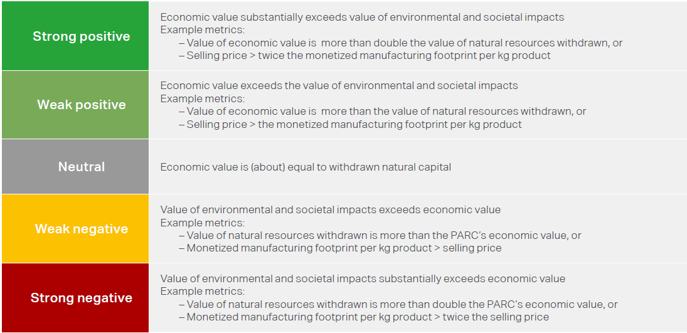
PVC-Suspensions in Construction | application 4 | 0 | 0 | 0 | 0 | 0 | 0 | 0 |  | 0 | 1
PVC-Suspensions in Construction | application 5 | 0 | 0 | 0 | 0 | 0 | 0 | 0 |  | 0 | 1
PVC-Suspensions in Construction | application 6 | 0 | 0 | 0 | 0 | 0 | 0 | 0 |  | 0 | 1
PVC-Suspensions in Construction | application 7 | 0 | 0 | 0 | 0 | 0 | 0 | 0 |  | 0 | 1
PVC-Suspensions in Construction | application 8 | 0 | 0 | 0 | 0 | 0 | 0 | 0 |  | 0 | 1
PVC-Suspensions in Construction | application 9 | 0 | 0 | 0 | 0 | 0 | 0 | 0 |  | 0 | 1
PVC-Suspensions in Construction | application 10 | 0 | 0 | 0 | 0 | 0 | 0 | 0 |  | 0 | 1
Total | 0 | 185,000 | 874,324 | 161,750 | 147,775 | 10,346 | 158,121 | 3,629 | 102% | 0
Monetized Environmental Impact per Leading Themes

Monetized Environmental Impact per Leading & Secondary Themes

PSA Category Results vs Sustainable Value
Cross View

Return to Start

Cross view
Combination of Cat 1 to 5 on horizontal axis and Cat 6 Sustainable Value on vertical axis.
 | Cat 1 to 5 | PSA assessment
 | Cat 6 | Revenue vs Environmental Impact

 |  | PSA category results vs Sustainable value
 |  | PARC1 | PARC2 | PARC3 | PARC4 | PARC5 | PARC6 | PARC7 | PARC8 | PARC9 | PARC10
 | Name | PVC-Suspensions in Construction in Window profile | PVC-Suspensions in Construction in Fresh water conveying pipe | PVC-Suspensions in Construction in Sewage pipe | PVC-Suspensions in Construction in application 4 | PVC-Suspensions in Construction in application 5 | PVC-Suspensions in Construction in application 6 | PVC-Suspensions in Construction in application 7 | PVC-Suspensions in Construction in application 8 | PVC-Suspensions in Construction in application 9 | PVC-Suspensions in Construction in application 10
 | Sustainable Value | 2 | 0 | -2 | 0 | 0 | 0 | 0 | 0 | 0 | 0
 | Category result | 16 | 0 | -16 | 0 | 0 | 0 | 0 | 0 | 0 | 0
 | Turnover | 114,000 | 12,750 | 35,000 | 0 | 0 | 0 | 0 | 0 | 0 | 0

Go to PSA Assessment

Return to Cat 6 - LCA

